Sheet1
Materials for the repair of GPI 5 Smoking Area | Qty. | Price | Amount
1. Ceiling and roof- materials from GPI 6
2. Walling- from scrap metals at GPI 8
3. Angle bar - 4x4x 3mmx20 ft. | 4 pcs . | 1,493.00 | 5,972.00
4. Cutting Disc- (10pcs/box) 4" | 2 boxes | 450.00 | 900.00
5. C-furlins- (2x 3x 20ft.) | 2pcs. | 570.00 | 1,140.00
6. Techscrew- (2 inches size) | 50 pcs. | 2.00 | 100.00
 |  |  | 8,112.00

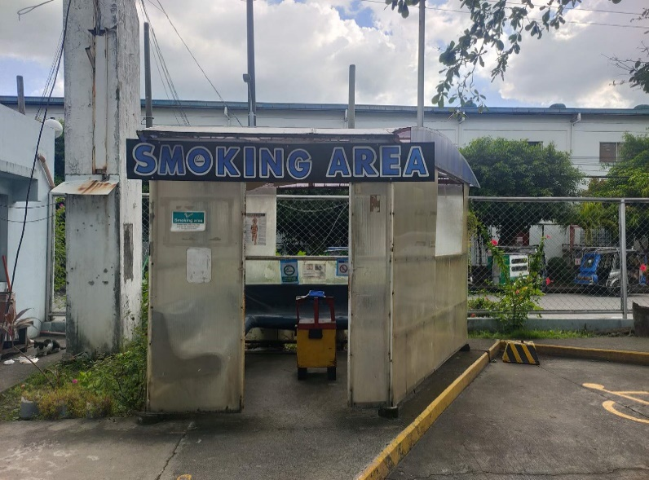
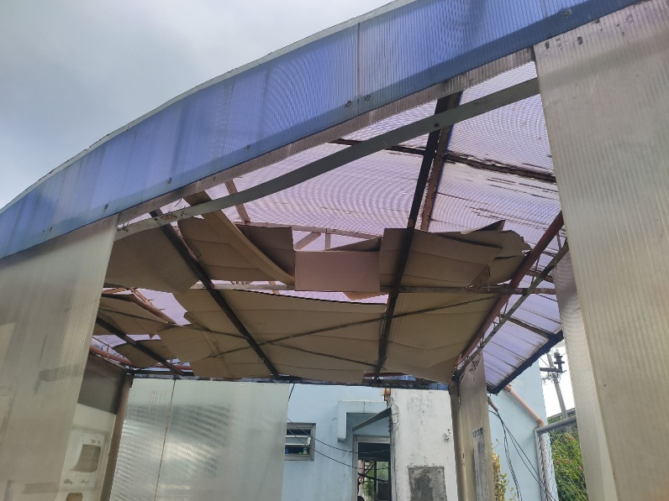

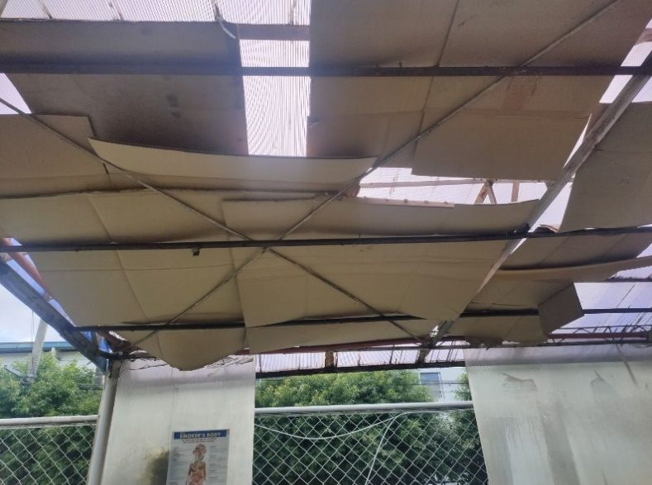
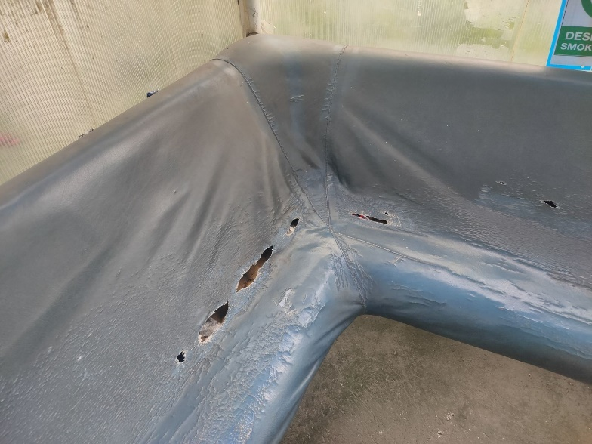

PROPOSED PLAN
PRESENT CONDITION

